Sheet1
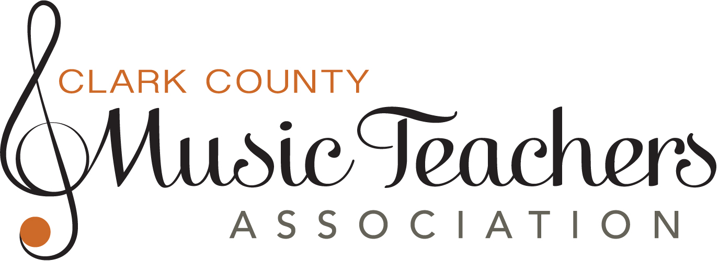
Young Performers Recital

Teacher
Phone
Email

Student Names (Arranged by Age) | Age | Performance Level | Length (Max 5 min) | Instrument | Composition | Composer | Preferred Time 2 or 3:30pm

Please mail or email this form and payment to the Young Performers Chair: Andrea Llafet | parkandell@yahoo.com | 360.433.8435. Each teacher entering students will be expected to assist during the Festival. A maximum of four students, two per recital, may be entered by each teacher.

